Sheet1
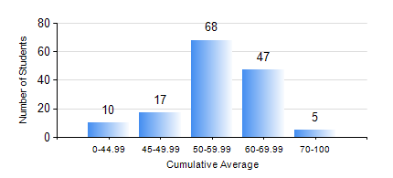
 |  |  | KWAME NKRUMAH UNIVERSITY OF SCIENCE AND TECHNOLOGY, KUMASI Department of Agricultural and Biosystems Engineering

 |  |  | BSC. AGRICULTURAL ENG.

 |  |  | COMPREHENSIVE RECORD OF EXAMINATION RESULTS

 |  |  | RESULTS OF YEAR 2 FIRST SEMESTER, 2019/2020 ACADEMIC YEAR

 | Sn | Course Code |  | Course Name | Credit Hours | Min. Mark | Max. Mark | Avg. Mark | Std. Dev. | No. Passed | No. Trailed | No. (Df) | No. (I) | No. (I*) | No. Tagged(I,I*,Df) | Total
 | 0. |  |  |  |  |  |  | 0 | 0 | 0 | 0 | 0 | 0 | 0 | 0 | 9
 | 1. | CENG 291 |  | ENGINEERING IN SOCIETY | 2 | 51 | 90 | 73 | 6.64 | 138 | 0 | 0 | 0 | 0 | 0 | 138
 | 2. | ENGL 263 |  | LITERATURE IN ENGLISH I | 1 | 31 | 83 | 64 | 8.26 | 137 | 1 | 0 | 0 | 0 | 0 | 138
 | 3. | MATH 251 |  | DIFFERENTIAL EQUATIONS | 4 | 18 | 74 | 53 | 11.32 | 128 | 10 | 0 | 0 | 0 | 0 | 138
 | 4. | ME 251 |  | FLUID MECHANICS I | 3 | 11 | 86 | 47 | 12.63 | 124 | 14 | 0 | 0 | 0 | 0 | 138
 | 5. | ME 255 |  | STRENGTH OF MATERIALS I | 3 | 6 | 72 | 37 | 11.12 | 121 | 17 | 0 | 0 | 0 | 0 | 138
 | 6. | ME 259 |  | APPLICATIONS OF COMPUTER GRAPHICS | 2 | 40 | 86 | 59 | 11.19 | 138 | 0 | 0 | 0 | 0 | 0 | 138
 | 7. | ME 265 |  | THERMODYNAMICS I | 3 | 26 | 85 | 63 | 10.81 | 137 | 1 | 0 | 0 | 0 | 0 | 138
 | 8. | ME 295 |  | MECHANICAL ENGINEERING LAB. I | 1 | 35 | 69 | 52 | 7.86 | 137 | 1 | 0 | 0 | 0 | 0 | 138

